Sheet1
Test Plan Summary
%pass | 100%
%fail | 0%
# of tests performed | 7

Test Plan Detail
Test Type | Test Objective | Screen shot | Steps | Test data | Expected result | Pass/Fail?
User Acceptance Test | Display dangerous places | Picture 1 | acces website URL |  | display places | Pass
Code Coverage | Scraope data from web | Picture 2 | check database |  | new entry in database | Pass
Code Coverage | Update app database | Picture 3 | check database |  | add new entry in database | Pass
Code Coverage | Update app script | Picture 4 | check app |  | new feature | Pass
User Acceptance Test | Check search position entry | Picture 5 | entry an addres |  | dysplay list of places | Pass
Unit Test | Travis script | Picture 6 | update git repository |  | run travis script | Pass
User Acceptance Test | Display places info | Picture 7 | click on place |  | display info | Pass

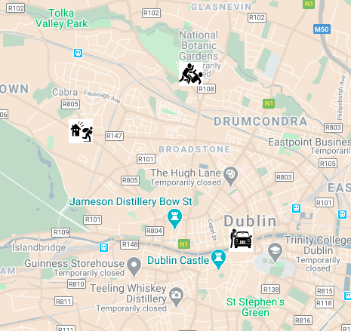
Picture 1

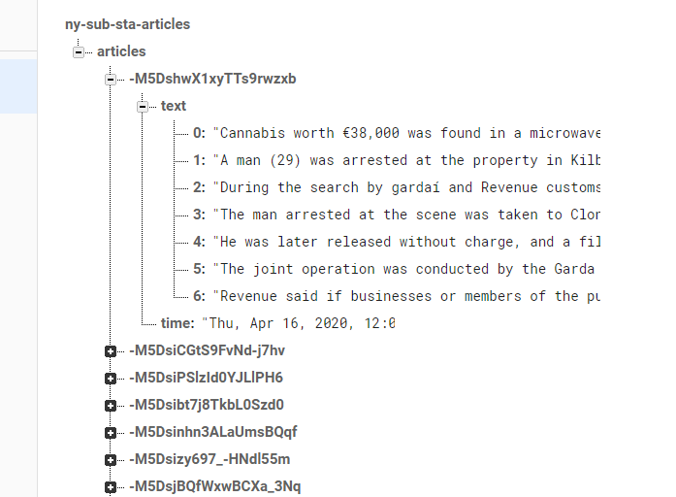
Picture 2

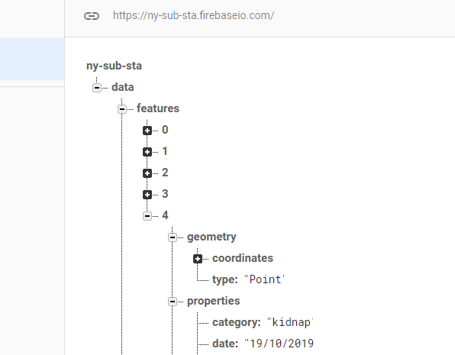
Picture 3

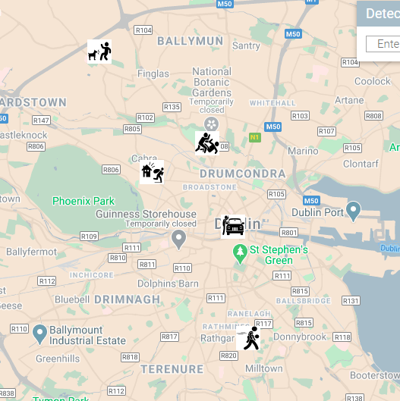
Picture 4

Picture 5

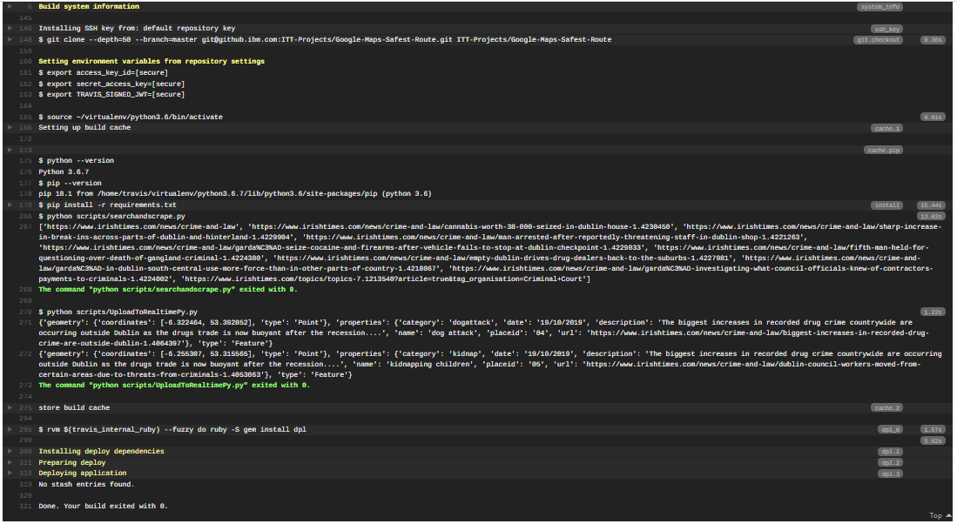
Picture 6

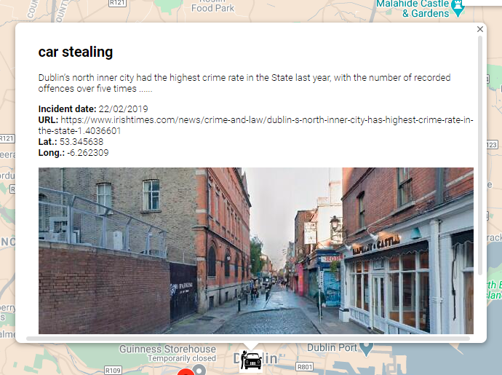
Picture 7

